Graphs
Count of tickets by Status

Row Labels | Count of Status
Resolved | 42
Closed | 6 |  | 81%
Fixed/Waiting for Release | 2
Resolved/Testing Phase | 2
Waiting on Customer | 4
Waiting on ThingTrax | 3

Top 5 Clients by ticket piority (Resolved)
 | Urgent | High | Medium | Low
WHS Pickering |  | 2 |  | 5
SKL | 1 | 2 | 1 | 1
Carclo Mitcham |  | 2 |  | 2
MBC | 2 |  |  | 2
McColgans |  |  |  | 3
Client Name | Urgent | High | Medium | Low | Grand Total
WHS Pickering |  | 2 |  | 5 | 7
SKL | 1 | 2 | 1 | 1 | 5
Carclo Mitcham |  | 2 |  | 2 | 4
MBC | 2 |  |  | 2 | 4
McColgans |  |  |  | 3 | 3
Carclo India |  |  | 1 | 2 | 3
SilAfrica |  | 1 | 1 | 1 | 3
whs |  | 1 |  | 1 | 2
Internal |  | 1 |  | 1 | 2
Quin | 1 |  |  | 1 | 2
Carclo Latrobe |  | 1 |  | 1 | 2
Stonegate |  | 1 |  | 1 | 2
R&G |  | 1 |  | 1 | 2
Carclo Czech |  |  | 1 |  | 1
YPM |  |  |  | 1 | 1
STL |  |  |  | 1 | 1
Desch UK |  |  |  | 1 | 1
DMS |  |  |  | 1 | 1
oneapp |  | 1 |  |  | 1
RGE |  |  | 1 |  | 1

Unresolved Tickets by Type

Ticket Type | Count
Platform | 3
IoT Devices | 2
PBi Reports | 1
User Request | 1
Feature request | 1
Mobile App | 1

Unresolved tickets by Customer
Client Name | Count of tickets
southern champion | 2
Carclo Latrobe | 1
SKL | 1
Quin | 1
BPIA | 1
SilAfrica | 1

Resolved tickets by Customer

Row Labels | Count of Ticket ID
WHS Pickering | 7
SKL | 5
Carclo Mitcham | 4
MBC | 4
McColgans | 3
Carclo India | 3
SilAfrica | 3
whs | 2
Internal | 2
Quin | 2
Carclo Latrobe | 2
Stonegate | 2
R&G | 2
Carclo Czech | 1
YPM | 1
STL | 1
Desch UK | 1
DMS | 1
oneapp | 1
RGE | 1

Unresolved tickets by Customer with priority
 | High | Medium | Low
southern champion | 1 | 2
SalesDemo |  | 1 | 1
SKL | 1
Quin |  |  | 1
Carclo Latrobe |  | 1

Un resolved tickets by Customer with priority
Customer Name | High | Medium | Low | Grand Total
southern champion | 1 | 2 |  | 3
SalesDemo |  | 1 | 1 | 2
SKL | 1 |  |  | 1
Quin |  |  | 1 | 1
Carclo Latrobe |  | 1 |  | 1
BPIA | 1 |  |  | 1
Radnor |  | 1 |  | 1
SilAfrica | 1 |  |  | 1

Backlog of Unresolved Tickets

Row Labels | Count of Ticket ID | Accumulation
Jan | 0 | 0
Feb | 2 | 2
Mar | 4 | 6
May | 1 | 7
Jun | 1 | 8
Jul | 2 | 10
Aug | 3 | 13
Sep | 8 | 21
Oct | 24 | 45
Nov | 21 | 30
Dec | 11 | 22

Count of tickets by Priority (Unresolved)
 | Count of Priority
High | 4
Medium | 5
Low | 2

Priority | Count of Priority
High | 4
Medium | 5
Low | 2

Count of unresolved tickets by work category
 | High | Medium | Low
Feature request |  | 1
IoT Devices | 2
Mobile App |  |  | 1
PBi Reports | 1
Platform | 1 | 3 | 1
User Request |  | 1
Row Labels | Urgent | High | Medium | Low
Feature request |  |  | 1
IoT Devices | 2 | 2
Mobile App |  |  |  | 1
PBi Reports | 1 | 1
Platform | 1 | 1 | 3 | 1
User Request |  |  | 1

Row Labels | Resolved | Closed | Unresolved | Grand Total
Jan | 94 | 28 | 0 | 122
Feb | 68 | 27 | 0 | 95
Mar | 162 | 45 | 1 | 208
Apr | 94 | 23 | 0 | 117
May | 98 | 28 | 1 | 127
Jun | 67 | 16 | 0 | 83
Jul | 100 | 19 | 0 | 119
Aug | 52 | 15 | 1 | 68
Sep | 67 | 22 | 2 | 91
Oct | 71 | 40 | 1 | 112
Nov | 58 | 12 | 5 | 75
Dec | 42 | 6 | 11 | 59

Row Labels | Awaiting Approval | Closed | Fixed/Waiting for Release | Follow Up | Resolved | Resolved/Testing Phase | Waiting on Customer | Waiting on ThingTrax | Unresolved | Grand Total
Jan |  | 28 |  |  | 94 |  |  |  | 0 | 122
Feb |  | 27 |  |  | 68 |  |  | 2 | 2 | 97
Mar |  | 45 |  |  | 162 |  |  | 4 | 4 | 211
Apr |  | 23 |  |  | 94 |  |  |  | 0 | 117
May |  | 28 |  |  | 98 |  |  | 1 | 1 | 127
Jun |  | 16 |  |  | 67 |  |  | 1 | 1 | 84
Jul |  | 19 |  |  | 100 | 1 |  | 1 | 2 | 121
Aug |  | 15 | 2 |  | 52 | 1 |  |  | 3 | 70
Sep | 1 | 22 | 3 |  | 67 |  |  | 4 | 8 | 97
Oct |  | 40 | 5 | 2 | 71 |  | 2 | 17 | 26 | 137

Downtime scenarios
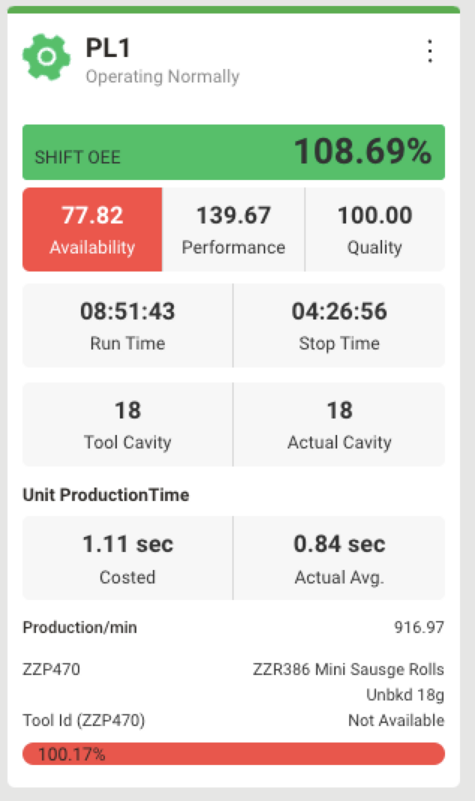
 |  |  |  |  |  |  |  |  |  | 9

 | 00 mins | 01 mins | 2 mins | 3 mins | 4 mins | 5 mins | 6 mins | 7 mins | 8 mins | 9 mins | 10 mins | 11 mins | 12 mins | 13 mins | 14 mins | 15 mins | 16 mins | 17 mins | 18 mins | 19 mins | 20 mins

 | Unclassified

 | Skew time | 12 mins
 | Production time | 7-9 mins

Data for the current Job showing on portal
 | Hrs | Mins | Seconds |  | Hrs (sec) | Min (sec) | Sec | Total run time (s)
Run time | 8 | 51 | 43 |  | 28800 | 3060 | 43 | 31903
Stop time | 4 | 26 | 56 |  | 14400 | 1560 | 56 | 16016
Available hours | 12 | 77 | 99 |  | 43200 | 4620 | 99 | 47919
 |  |  |  |  |  |  | Planned Downtime | 8761
 |  |  |  |  | Effec Avail time (available time - planned downtime) |  |  | 39158

 |  |  |  |  | Availability (run time / Effec avail time) |  |  | 81%

Shift (all jobs) | job 1 | job 2 | Shift wise totals

Runtime | 31903 | 0 | 31903 |  |  | Note:
Alltime | 47919 | 1838 | 49757 |  |  | 1838 was unclassified which was changed to classified/planned
Planned downtime | 8761 | 0 | 8761
Eff available hours | 39158 | 1838 | 40996
Availability for the shift | 81% | 0% | 77.82%

